Editor Role|EditorAdmin Role
Test Case 1: Create Request and Edit - Editor Role |  | Editor Role/EditorAdmin Role

 | Following scenarios should be performed by Editor Role in the application to Modify and edit.

 | Step | Action | Expected Result | System Testing | UAT | Comments
 | 1 | Click below link to navigate to GAP Claims https://zurichinsurancenam.sharepoint.com/sites/GAPClaims | Site opens in the browser, as a default Correspondence View page loaded. | Passed
 | 2 | Compose a mail to mailbox address.(usz.gapclaims@zurichna.com) | 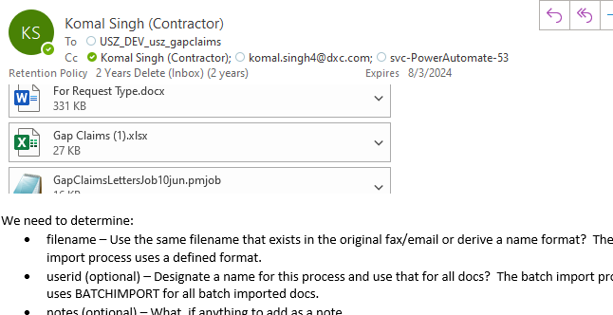 Send a mail to mailbox address and wait for some time to create request in sharepoint. | Passed
 | 3 | User can find out the request created in Correspondence View under Pending folder. | 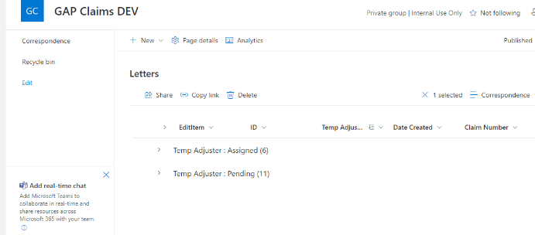 | Passed
 | 3 | Click on Edit item Icon to edit an item | 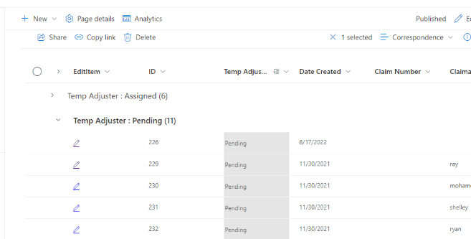 | Passed
 | 4 | On Clicking EditItem icon,user will be redirected to this page. | 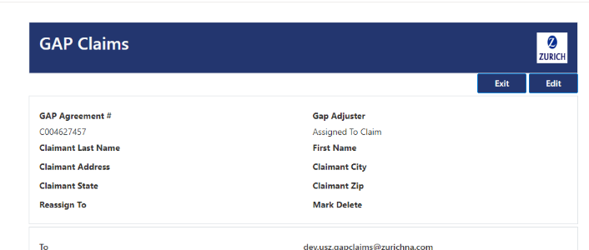 | Passed
 | 5 | Click on Edit Button. | 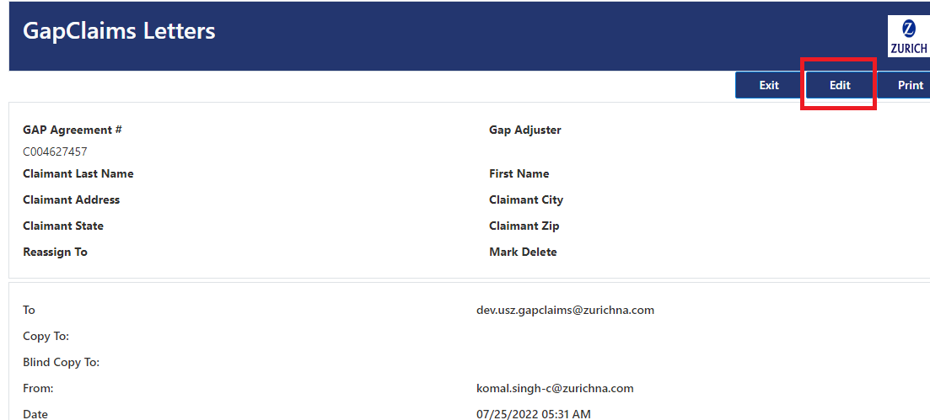 Click on Edit button to edit item | Passed
 | 5 | On Clicking Edit Button,User will see following page. | 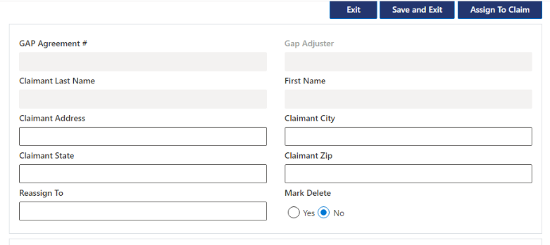 | Passed
 | 5 | Click on Save and Exit. | 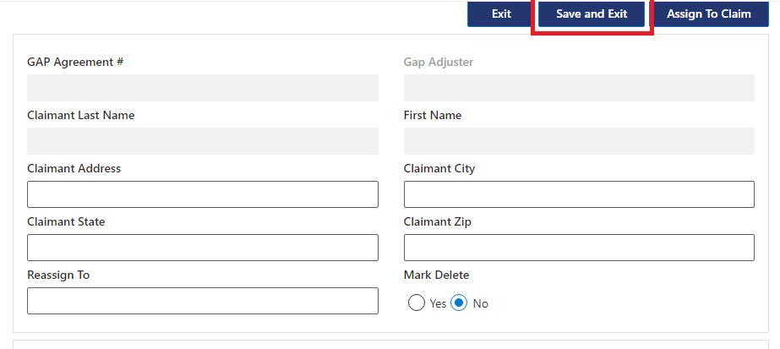 | Passed
 | 5 | Click on Yes/No. | 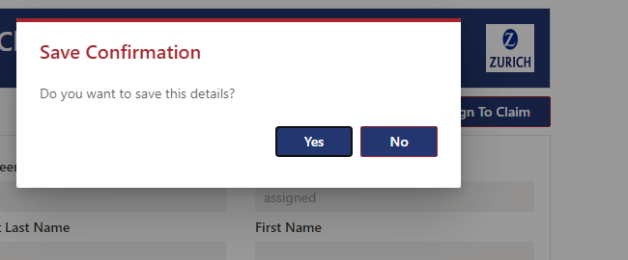 Click on Yes to save changes or "No" to unsave the changes

 | 9 | Click on Exit button. | 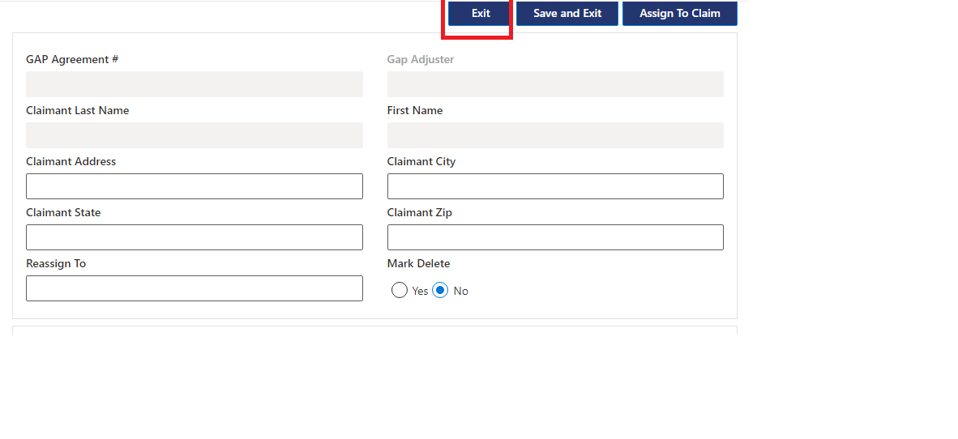 User can find out exit button both in view and Edit Mode. | Passed
 | 9 | A modal popup should appear | 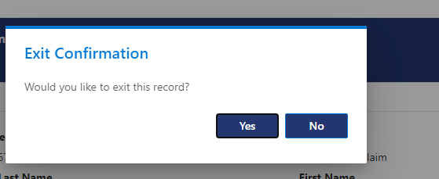 Click on Yes to exit. | Passed
 | 10 | Assign to Claim. | 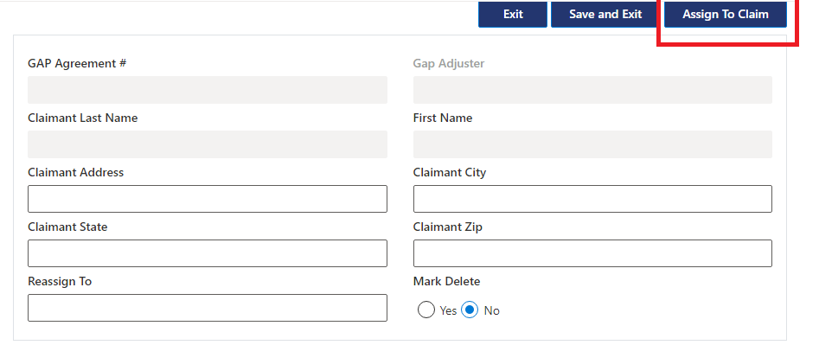 user can find out Assign to Claim button in Edit Mode. | Passed
 | 11 | A Popup should appear on click of Assign To Claim. | 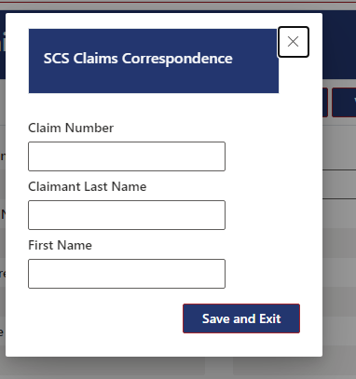 | Passed
 | 12 | Enter Valid Claim Number,Last Name,First Name | 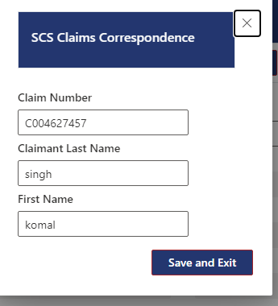 | Passed
 | 13 | Click on Save and Exit. | 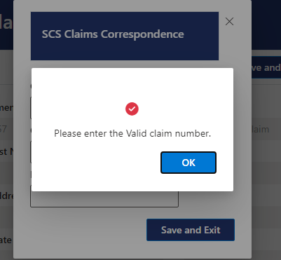 A Popup should appear on entering invalid ClaimNo. | Passed
 | 14 | A Loading Spinner will appear once user enters claim no | 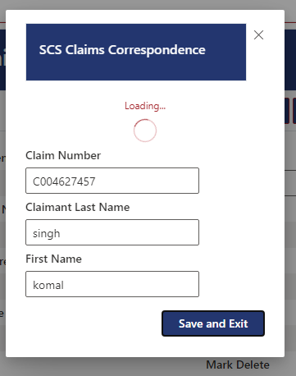 | Passed
 | 15 | Wait for some time to upload files. | 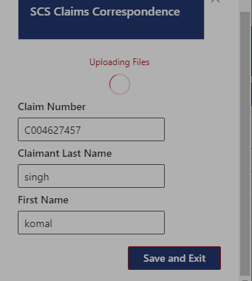 | Passed
 | 16 | A popup should appear . | 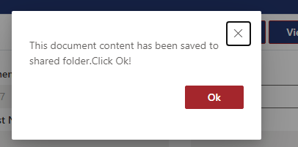 A Popup will appear once files are uploaded. | Passed
 | 17 | After Files are uploaded,refresh the screen to see GAP Adjuster field will be set as Assigned To Claim. | 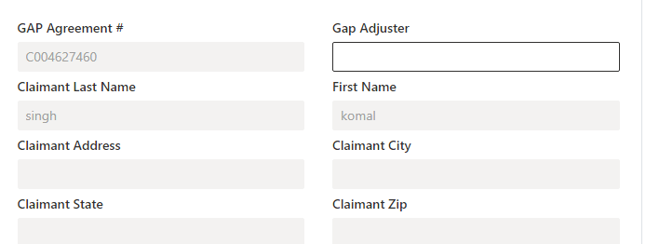 | Passed
 | 18 | After Entering Value Click on Save and Exit to Save. | 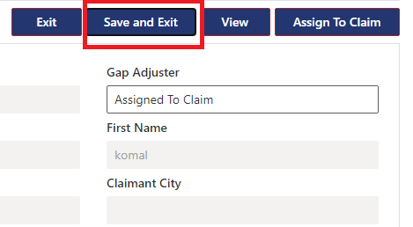 | Passed

